Manager
Test case ID | Description | Test Cases | Steps | Input data | Expected result | Actual result | Screenshots | Pass/Fail
MTC_MD_001 | Depost | For making a deposit verify valid data is accepted | 1)Log-in to Guru99 Bank app as manager 2)Click on deposit tab 3) Enter valid account number 4)Enter deposit amount 5)Add description 6) Click Submit | Account no-86736 Deposit-3000 Description-deposit | Transaction details of deposit for account 86736 are displayed | The folowing details are displayed Transaction ID Account No Amount Credited Type of Transaction -Deposit Description Current Balance | 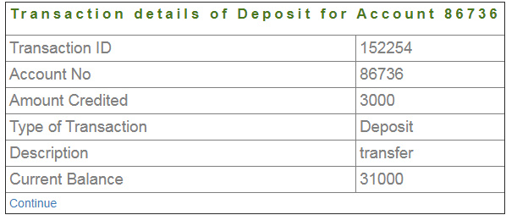 | Pass | Manager login mngr291929 password vAnYzyn Customer1 login ID 89927 Password 654127 Account No1 86734 Account No2 86735 Customer2 login Id 12457 Account No 86736 Customer3(deleted for MTC_DC_001)
MMTC_D_002 | Depost | Verify Account No field can not be empty | 1)Log-in to Guru99 Bank app as manager 2)Click on deposit tab 3) Leave Account No field empty |  | Account No must not be blank | As Expected |  | Pass
MMTC_D_003 | Depost | Verify Account No field can not have special characters | 1)Log-in to Guru99 Bank app as manager 2)Click on deposit tab 3) Enter special characters in the Account No field | Account No-8670# | Special characters are not allowed | As Expected |  | Pass
MTC_D_004 | Depost | Verify Account No field can not have characters | 1)Log-in to Guru99 Bank app as manager 2)Click on deposit tab 3) Enter characters in the Account No field | Account No-8670a | Characters are not allowed | As Expected |  | Pass
MTC_D_005 | Depost | Verify Ammount field can not be empty | 1)Log-in to Guru99 Bank app as manager 2)Click on deposit tab 3) Leave Ammount field empty |  | Ammount Field must not be blank | As Expected |  | Pass
MTC_D_006 | Depost | Verify Ammount field can not have special characters | 1)Log-in to Guru99 Bank app as manager 2)Click on deposit tab 3) Enter special characters in the Ammount field | Ammount-800# | Special characters are not allowed | As Expected |  | Pass
MTC_D_007 | Depost | Verify Ammount field can not have characters | 1)Log-in to Guru99 Bank app as manager 2)Click on deposit tab 3) Enter characters in the Ammount field | Ammount-800a | Characters are not allowed | As Expected |  | Pass
MTC_D_008 | Depost | Verify description field can not be blank | 1)Log-in to Guru99 Bank app as manager 2)Click on Deposit tab 3) Leave the description field blank |  | Description Field must not be blank | As Expected |  | Pass
MTC_W_001 | Withdrawal | For making a withdrawal verify valid data is accepted | 1)Log-in to Guru99 Bank app as manager 2)Click on withdrawal tab 3) Enter valid account number 4)Enter withdrawal amount 5)Add description 6) Click Submit | Account no-86736 Withdrawal-1000 Description-deposit | Transaction details of withdrawal for account 86736 are displayed | The folowing details are displayed Transaction ID Account No Amount Debited Type of Transaction Description Current balance |  | Pass
MTC_W_002 | Withdrawal | Verify withdrawal field can not be empty | 1)Log-in to Guru99 Bank app as manager 2)Click on withdrawal tab 3) Leave Account No field empty |  | Account No must not be blank | As Expected |  | Pass
MTC_W_003 | Withdrawal | Verify Account No field can not have special characters | 1)Log-in to Guru99 Bank app as manager 2)Click on withdrawal tab 3) Enter special characters in the Account No field | Account No-8670# | Special characters are not allowed | As Expected |  | Pass
MTC_W_004 | Withdrawal | Verify Account No field can not have characters | 1)Log-in to Guru99 Bank app as manager 2)Click on withdrawal tab 3) Enter characters in the Account No field | Account No-8670a | Characters are not allowed | As Expected |  | Pass
MTC_W_005 | Withdrawal | Verify Ammount field can not be empty | 1)Log-in to Guru99 Bank app as manager 2)Click on withdrawal tab 3) Leave Ammount field empty |  | Ammount Field must not be blank | As Expected |  | Pass
MTC_W_006 | Withdrawal | Verify Ammount field can not have special characters | 1)Log-in to Guru99 Bank app as manager 2)Click on withdrawal tab 3) Enter special characters in the Ammount field | Amount-800# | Special characters are not allowed | As Expected |  | Pass
MTC_W_007 | Withdrawal | Verify Ammount field can not have characters | 1)Log-in to Guru99 Bank app as manager 2)Click on withdrawal tab 3) Enter characters in the Ammount field | Amount-800a | Characters are not allowed | Failed.Characters are accepted by the system. | 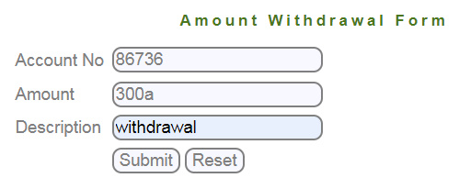 | Fail.
MTC_W_008 | Withdrawal | Verify description field can not be blank | 1)Log-in to Guru99 Bank app as manager 2)Click on withdrawal tab 3) Leave the description field blank |  | Description Field must not be blank | As Expected |  | Pass
MTC_W_009 | Withdraw greater amount than on the balance | Verify user can not withdraw a greater amount than the deposit balance | 1)Log-in to Guru99 Bank app as manager 2)Click on withdrawal tab 3) Fill the amount withdrawal form with greater amount than on the balance | Account no-86736 Withdrawal-40000 Description-Withdrawal | An Error massage "Transaction failed. Account balance is low " must be displayed. | Withdrawal is done.The folowing details are displayed Transaction ID Account No Amount Debited Type of Transaction -Withwrawal Description Current balance | 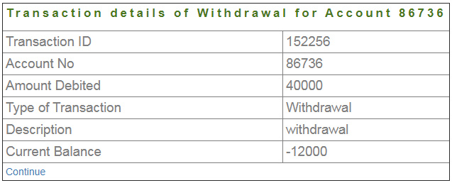 | Fail.
MTC_FT_001 | Fund Transfer | For making a fund transfer verify system accepts valid data | 1)Log-in to Guru99 Bank app as manager 2)Click on Fund Transfer tab 3) Enter Payers account no 4)Enter Payees account no 5)Enter amount 6)Add Description 7)Click submit | Payers account no-86734 Payees account no- 86735 Amount-2000 Discription- withdrawal | Transaction detailes of Fund Transfer for Account 86734 must be displayed | As Expected. Following details are displayed. Ammount From Account Number To Account number Amount Discription withdrawal | 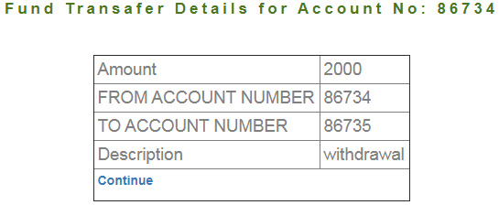 | Pass
MTC_FT_002 | Fund Transfer | Verify Payers Account No field can not be empty | 1)Log-in to Guru99 Bank app as manager 2)Click on Fund Transfer tab 3) Leave Payers Account No field empty |  | Payers Account No must not be blank | As Expected |  | Pass
MTC_FT_003 | Fund Transfer | Verify Payers Account No field can not have special characters | 1)Log-in to Guru99 Bank app as manager 2)Click on Fund Transfer tab 3) Enter special characters in the Payers Account No field | Account No-8670# | Special characters are not allowed | As Expected |  | Pass
MTC_FT_004 | Fund Transfer | Verify Payers Account No field can not have characters | 1)Log-in to Guru99 Bank app as manager 2)Click on Fund Transfer tab 3) Enter characters in the Payers Account No field | Account No-8670a | Characters are not allowed | As Expected |  | Pass
MTC_FT_005 | Fund Transfer | Verify Payees Account No field can not be empty | 1)Log-in to Guru99 Bank app as manager 2)Click on Fund Transfer tab 3) Leave Payees Account No field empty |  | Payees Account No must not be blank | As Expected |  | Pass
MTC_FT_006 | Fund Transfer | Verify Payees Account No field can not have special characters | 1)Log-in to Guru99 Bank app as manager 2)Click on Fund Transfer tab 3) Enter special characters in the Payees Account No field | Account No-8670# | Special characters are not allowed | As Expected |  | Pass
MTC_FT_007 | Fund Transfer | Verify Payees Account No field can not have characters | 1)Log-in to Guru99 Bank app as manager 2)Click on Fund Transfer tab 3) Enter characters in the Payees Account No field | Account No-8670a | Characters are not allowed | As Expected |  | Pass
MTC_BE_001 | Balance Enquiry | Verify Balance can be enquired by entering valid Account number | 1)Log-in to Guru99 Bank app as manager 2)Click on Balance Enquiry tab 3) Enter valid Account No 4) Click submit | Account No-86734 | Balance Details for Account no 86734 must be displayed | As Expected. The folowing information is displayed Account No Type of Account Balance | 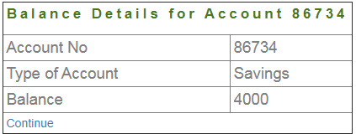 | Pass
MTC_BE_002 | Balance Enquiry | Verify Account no field can not be blank | 1)Log-in to Guru99 Bank app as manager 2)Click on Balance Enquiry tab 3) Leave Account No field empty |  | Account No must not be blank | As Expected |  | Pass
MTC_BE_003 | Balance Enquiry | Verify Account No field can not have special characters | 1)Log-in to Guru99 Bank app as manager 2)Click on Balance Enquiry tab 3) Enter special characters in the Account No field | Account No-8670# | Special characters are not allowed | As Expected |  | Pass
MTC_BE_004 | Balance Enquiry | Verify Account No field can not have characters | 1)Log-in to Guru99 Bank app as manager 2)Click on Balance Enquiry tab 3) Enter characters in the Account No field | Account No-8670a | Characters are not allowed | As Expected |  | Pass
MTC_CP_001 | Change Password | Verify password can be changed | 1)Log-in to Guru99 Bank app as manager 2)Click on Change password tab 3) Enter old password, new password and password confirmation and press confirm | Old password - vAnYzyn New password - vAnXzxn Confirm password - vAnXzxn | A massage "Password is successfully changed " must be shown and page redirected to log in page | As Expected |  | Pass
MTC_CP_002 | Log in with Changed Password | Verify manager can login after password is changed | 1)Enter user Id 2)Enter new Password 3)Submit | User Id- mngr291929 Password vAnXzxn | Redirection to manager home page | As Expected |  | Pass
MTC_CP_003 | Change incorrect Password | Verify incorrect password can be changed | 1)Log-in to Guru99 Bank app as manager 2)Click on Change password tab 3) Enter old incorrect password, new password and password confirmation and press confirm | Old wrong password - vAnAzyn New password - vAnXzxn Confirm password - vAnXzxn | A massage "Old password is incorrect" must be shown and page redirected to change password page | As Expected |  | Pass
MTC_AC_001 | Add New Customer | Verify after adding new customer, page is redirected to Registered customer details | 1)Log-in to Guru99 Bank app as manager 2)Click on New customer tab 3) Enter required fields 4)Submit | Customer Name- JAck Daniels Gender - male Birthdate - 2005-02-01 Adress - Main street City - Main State - Alabama Pin - 775233 Password - 775233 Mobile No - +37477523320 E-mail - arttutyan@mail.ru | Redirecting to a page, where registered customer details are displayed. | As Expected | 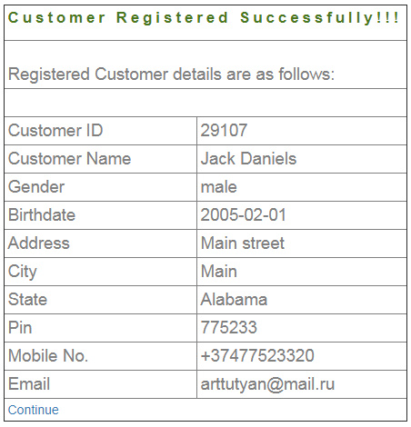 | Pass
MTC_AC_002 | Add New Account to new Customer | Verify new account can be added to new customer | 1)Log-in to Guru99 Bank app as manager 2)Click on New Account tab 3) Enter required fields 4)Submit | Customer ID - 29107 Account type - savings Initial deposit - 30000 | Account Generated successfully. Created Account details as follows. | As Expected | 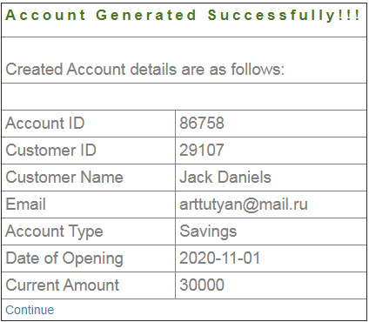 | Pass
MTC_DA_001 | Delete Account | Verify Account can be deleted | 1)Log-in to Guru99 Bank app as manager 2)Click on Delete Account tab 3) Enter Account No 4)Submit | Account No - 86758 | A massage "Account deleted successfully" is displayed. Page redirected to managers home page. | A massage "Account deleted successfully" is displayed. Page redirected to managers home page. |  | Pass
MTC_DA_002 | Balance of deleted account | Verify balance of deleted account can not be generated | 1)Log-in to Guru99 Bank app as manager 2)Click on Balance Enquiry tab 3) Enter Account No 4)Submit | Account No - 86758 | A massage "Account does not exist" displayed". Redirected to Balance Enquiry form page. | As Expected |  | Pass
MTC_DA_003 | Mini Statement of deleted account | Verify no mini statement for deleted account can be generated | 1)Log-in to Guru99 Bank app as manager 2)Click on Mini Statement tab 3) Enter deleted Account No 4)Submit | Account No - 86758 | A massage "Account does not exist" displayed". Redirected to Mini Statement form page. | As Expected |  | Pass
MTC_DA_004 | Custimized Statement of deleted account | Verify no Customized statement for deleted account can be generated | 1)Log-in to Guru99 Bank app as manager 2)Click on Customized Statement tab 3) Enter deleted Account No 4)Submit | Account No - 86758 | A massage "Account does not exist" displayed". Redirected to Customized Statement form page. | As Expected |  | Pass
MTC_DC_001 | Delete Customer | Verify Customer can be deleted | 1)Log-in to Guru99 Bank app as manager 2)Click on Delete Customer tab 3) Enter Customer ID 4)Submit | Customer ID - 29107 | A massage occurs "Customer is successfully deleted". Redirecting to Managers home page | As Expected |  | Pass
MTC_DC_002 | Delete Customer who has an open account | Verify Customer with an open account can not be deleted | 1)Log-in to Guru99 Bank app as manager 2)Click on Delete Customer tab 3) Enter Customer ID 4)Submit | Customer ID - 89927 | A massage occurs "Customer could not be deleted!!. First delete all accounts of this customer then delete the customer". Redirecting to Delete Customer form | As Expected |  | Pass
MTC_DC_003 | Edit Deleted customer | Verify deleted customer can not be edited | 1)Log-in to Guru99 Bank app as manager 2)Click on Edit Customer tab 3) Enter deleted Customer ID 4)Submit | Customer ID - 29107 | A massage "Customer does not exist" must be displayed". Redirected to Edit Account form page. |  A massage "You are not authorised to edit this customer" is displayed. Page redirected to edit customer page. |  | Fail.
MTC_DC_004 | Delete already deleted customer | Verify deleted customer does not exist | 1)Log-in to Guru99 Bank app as manager 2)Click on Delete Customer tab 3) Enter deleted Customer ID 4)Submit | Customer ID - 29107 | A massage "Customer does not exist" must be displayed. Redirected to Delete Customer form page. | A massage "You are not authorised to edit this customer" is displayed. Page redirected to deleted customer page. |  | Fail.
MTC_FT_001 | Reload Fund Transfer page | Verify Fund Transfer is not being done when page is reloaded | 1)Log-in to Guru99 Bank app as manager 2)Click on Fund Transfer tab 3) Enter Payers account no 4)Enter Payees account no 5)Enter amount 6)Add Description 7)Click submit 8) Reload the page | Payers account no-86735 Payees account no- 86734 Amount-2000 Discription- transfer | Page should redirect to fund transfer page | No redirecting to fund transfer page, when reloaded 10 times, massage is displayed "You can not transfer funds, your balance is low!!!". | 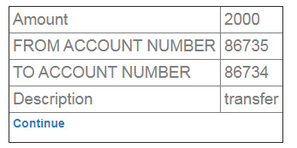 | Fail.
MTC_FT_002 | Fund transfer and Customized Statement | Verify fund transfer details appear on Customized statement page | 1)Repeat steps from TC_FT_001 2) Go to Customized Statement page 3) Fill the required fields with payees account no 4) Submit | Payers account no-86735 Payees account no- 86734 Amount-2000 Discription- withdrawal Payees account no - 86735 01/10/2020-31/10/2020 3000 3 | Transaction Details for account no 86705 should be displayed |  As Expected. Folowing details are displayed. Transaction ID Amount transaction Type Date of transaction Initial deposit |  | Pass
MTC_FT_003 | Fund transfer wrong account no | Verify Fund transfer can not be done with wrong account no | 1)Log-in to Guru99 Bank app as manager 2)Click on Fund Transfer tab 3) Enter wrong Payers account no 4)Enter Payees account no 5)Enter amount 6)Add Description 7)Click submit | Payers account no-86702 Payees account no- 86705 Amount-2000 Discription- withdrawal | An Error massage "Account does not exist" must be displayed | An Error massage "No details found on this account " is displayed |  | Fail.
MTC_FT_004 | Fund Transfer to the same account | Verify no fund transfer to the same account can be conducted | 1)Log-in to Guru99 Bank app as manager 2)Click on Fund Transfer tab 3) Enter Payers account no 4)Enter Payers account no 5)Enter amount 6)Add Description 7)Click submit | Payers account no-86735 Payees account no- 86735 Amount-2000 Discription- Transfer | An Error massage "Payers Account no and Payees Account no must not be the same " must be displayed | A Fund is transferred successfully. Fund transfer details for Account No Amount From account No To Account No Description | 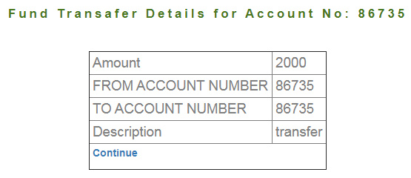 | Fail.
MTC_FT_005 | Fund transfer with low balance | Verify no fund transfer with low balance can be conducted | 1)Log-in to Guru99 Bank app as manager 2)Click on Fund Transfer tab 3) Enter Payers account no 4)Enter Payees account no 5)Enter greater amount than on the balance 6)Add Description 7)Click submit | Payers account no-86734 Payees account no- 86735 Amount-2000 Discription- Transfer | An Error massage "Transfer failed. Account Balance Low!!!" must be displayed | An Error massage "You cant Transfer your account balance is low!!!" appears |  | Fail.
MTC_MS_001 | Mini Statement | Verify mini statement is displayed successfully | 1)Log-in to Guru99 Bank app as manager 2)Click on Mini Statment tab 3) Enter Account no 4)Click submit | Account No - 86734 | Last five transactions for Account No 86734 must be shown | The folowing information is diplayed Transaction Id Amount Transaction type Date of Transaction Description |  | Pass
MTC_CS_001 | Custimized Statement | Verify Customized statement is displayed successfully | 1)Log-in to Guru99 Bank app as manager 2)Click on Customized Statment tab 3) Enter Account no 4) From date to Date 5)Minimum Transaction Value 6)Number of transaction 7)Click submit | Account No - 86734 From to -01/10/2020-21/10/2020 Min transaction 25000 Number of transaction 5 | Last five transactions for Account No 86721 must be shown | The folowing information is diplayed Transaction Id Amount Transaction type Date of Transaction Description |  | Pass
MTC_LO_001 | Logout | Verify Manager can logout successfully | 1)Log-in to Guru99 Bank app as manager 2)Click on logout tab |  | A Massage "you have successfully loged out" must be dipalyed. | As Expected. |  | Pass

Customer
Test case ID | Description | Test Cases | Steps | Input data | Expected result | Actual result | Screenshots | Pass/Fail | Customer1 login ID 89927 Password 654127 Account No1 86734 Account No2 86735 Customer2 login Id 12457 Account No 86736
CTC_BE_001 | Balance Enquiry | Verify Customer can inquire his balance | 1)Login to Guru99 Bank app as customer 2) Click on Balance Enquiry tab 3) Enter Account No of a valid balance 4) Submit | Account No 86735 | Balance details for Account 86735 must be displayed | The folowing informatin is displayed. Account ID Type of Account Balance | 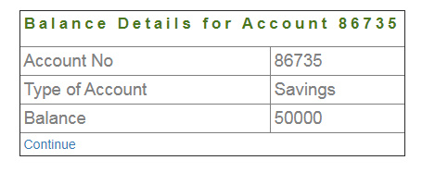 | Pass
CTC_BE_002 | Balance Enquiry Account No | Verify Customer Balance Enquiry Account No can not be empty | 1)Login to Guru99 Bank app as customer 2) Click on Balance Enquiry tab 3)Leave the Account No field empty |  | A massage must appear "Account number must not be blank" | As Expected. |  | Pass
CTC_BE_003 | Balance Enquiry Account No | Verify Customer Balance Enquiry Account No can not have special characters | 1)Login to Guru99 Bank app as customer 2) Click on Balance Enquiry tab 3)Enter special characters in the Account No field | Account No 8673# | A massage must appear "Special characters are not allowed" | As Expected. |  | Pass
CTC_BE_004 | Balance Enquiry Account No | Verify Customer Balance Enquiry Account No can not have characters | 1)Login to Guru99 Bank app as customer 2) Click on Balance Enquiry tab 3)Enter characters in the Account No field | Account No 8673a | A massage must appear "Characters are not allowed" | As Expected. |  | Pass
CTC_BE_005 | Other customers Balance Enquiry | Verify Customer can inquire only his balance, and no other customer's Balance | 1)Login to Guru99 Bank app as customer1 2) Click on Balance Enquiry tab 3)Enter customer2 Account No | Account No 86736 | A massage must appear "You are not authorized to get Balance details of this account". | User is able to enquire other customer's Balances | 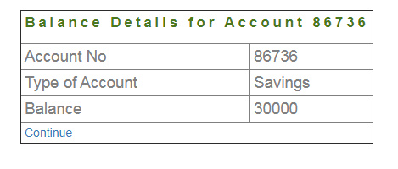 | Fail
CTC_BE_006 | Enquire Balance for non existing Account | Verify Customer can not enquire a non existing Balance | 1)Login to Guru99 Bank app as customer 2) Click on Balance Enquiry tab 3)Enter a non existing Account No | Account No 64738 | A massage must appear "You are not authorized to get Balance details of this account". | A massage must appear "Account does not exist" | As Expected | Pass
CTC_FT_001 | Fund Transfer | Verify Customer can transfer funds from one account to another | 1)Login to Guru99 Bank app as customer 2) Click on Fund Transfer tab 3)Enter Payers account no 4)Enter Payees account no 5)Enter amount to be transfered 6)Add description 7) click Submit | Payers account no 86734 Payees account no 86735 Amount to be transferred-2000 Description-transfer | Fund Transfer details for Account No 86734 must appear | 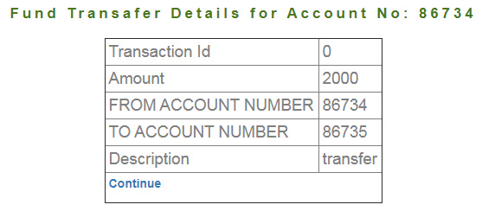 As Expected. The folowing information is shown Transaction ID Amount From Account To Account Description |  | Pass
CTC_FT_002 | Fund Transfer Paeyers Account | Verify Payers Account No field can not be empty | 1)Log-in to Guru99 Bank app as customer 2)Click on Fund Transfer tab 3) Leave Payers Account No field empty |  | Payers Account No must not be blank | As Expected |  | Pass
CTC_FT_003 | Fund Transfer Paeyers Account | Verify Payers Account No field can not have special characters | 1)Log-in to Guru99 Bank app as customer 2)Click on Fund Transfer tab 3) Enter special characters in the Payers Account No field | Account No-8670# | Special characters are not allowed | As Expected |  | Pass
CTC_FT_004 | Fund Transfer Paeyers Account | Verify Payers Account No field can not have characters | 1)Log-in to Guru99 Bank app as Customer 2)Click on Fund Transfer tab 3) Enter characters in the Payers Account No field | Account No-8670a | Characters are not allowed | As Expected |  | Pass
CTC_FT_005 | Fund Transfer Payees Account | Verify Payees Account No field can not be empty | 1)Log-in to Guru99 Bank app as Customer 2)Click on Fund Transfer tab 3) Leave Payees Account No field empty |  | Payees Account No must not be blank | As Expected |  | Pass
CTC_FT_006 | Fund Transfer Payees Account | Verify Payees Account No field can not have special characters | 1)Log-in to Guru99 Bank app as Customer 2)Click on Fund Transfer tab 3) Enter special characters in the Payees Account No field | Account No-8670# | Special characters are not allowed | As Expected |  | Pass
CTC_FT_007 | Fund Transfer Payees Account | Verify Payees Account No field can not have characters | 1)Log-in to Guru99 Bank app as Customer 2)Click on Fund Transfer tab 3) Enter characters in the Payees Account No field | Account No-8670a | Characters are not allowed | As Expected |  | Pass
CTC_FT_008 | Fund Transfer page reload | Verify no funds are transferred when reloaded the page with correct data | 1)Repeat steps from TC_FT_001 2)Reload the page | Same data as in TC_FT_001 | Page must be redirecetd to Fund transfer form input page again | Failed. Fund transfering is being done again. | After reloading page same table appears as in TC_FT_001 | Fail.
CTC_FT_009 | Fund Transfer Mini Statement | Verify Fund Transfer details appear on the Mini Statement | 1)Log-in to Guru99 Bank app as Customer 2)Click on Mini Statement tab 3) Enter Account No with transfers | Account No 86734 | Last Five Transaction Details for Account No: 86734 must be displayed | As Expected |  | Pass
CTC_FT_010 | Fund Transfer Customized Statement | Verify Fund Transfer details appear on the Costomized Statement | 1)Log-in to Guru99 Bank app as Customer 2)Click on Customized Statement tab 3) Enter Account No with transfers 4) From date to date 5)Minimum Transaction Date 6)Number of Transaction 7)Submit | Account No 86734 Date 01/10/2020 - 31.10.2020 Minimum Transaction 2000 Number of transaction 5 | Transaction Details for Account No: 86734 from Date: 2020-10-01 to: 2020-10-31 must appear | As Expected |  | Pass
CTC_FT_011 | Fund transfer wrong Payer Account no | Verify fund transfer can not be conducted if payers account no is not correct | 1)Login to Guru99 Bank app as customer 2) Click on Fund Transfer tab 3)Enter incorrect Payers account no 4)Enter Payees account no 5)Enter amount to be transfered 6)Add description 7) click Submit | Payers account no 86731 Payees account no 86735 Amount to be transferred-2000 Description-transfer | A massage "No details found for this accounts !!!" must appear | As Expected |  | Pass
CTC_FT_012 | Fund transfer wrong Payee Account no | Verify fund transfer can not be conducted if payees account no is not correct | 1)Login to Guru99 Bank app as customer 2) Click on Fund Transfer tab 3)Enter Payers account no 4)Enter incorrect Payees account no 5)Enter amount to be transfered 6)Add description 7) click Submit | Payers account no 86734 Payees account no 86731 Amount to be transferred-2000 Description-transfer | A massage "No details found for this accounts !!!" must appear | As Expected |  | Pass
CTC_FT_013 | Fund transfer from Another user's account | Verify fund transfer can not be conducted from another user's Account | 1)Login to Guru99 Bank app as customer1 2) Click on Fund Transfer tab 3)Enter Customer2 Account No 4)Enter Customer1 Account no 5)Enter amount to be transfered 6)Add description 7) click Submit | Payers account no 86736 Payees account no 86735 Amount to be transferred-2000 Description-transfer | A massage "You are not authorized to transfer funds from this account" must be diplayed | Failed. Fund transfering is being done again from another user's account to customer's account | 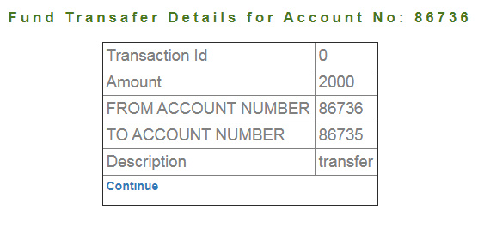 | Fail
CTC_FT_014 | Fund transfer from customer's account to Another user's account | Verify fund transfer can not be conducted from customer's account to another user's Account | 1)Login to Guru99 Bank app as customer1 2) Click on Fund Transfer tab 3)Enter Customer1 Account No 4)Enter Customer2 account no 5)Enter amount to be transfered 6)Add description 7) click Submit | Payers account no 86734 Payees account no 86736 Amount to be transferred-2000 Description-transfer | A massage "Account No does not exist" must appear. | Failed. Fund transfering is being done again from customer's account to another user's account | 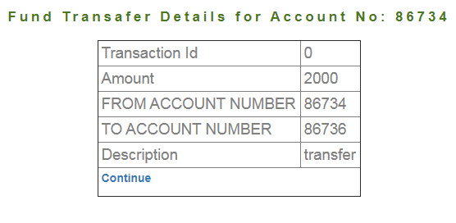 | Fail
CTC_FT_015 | Fund transfer from customer's same account | Verify fund transfer can not be conducted from customer's account to the same account | 1)Login to Guru99 Bank app as customer1 2) Click on Fund Transfer tab 3)Enter customer's Account No 4)Enter same account no 5)Enter amount to be transfered 6)Add description 7) click Submit | Payers account no 86734 Payees account no 86734 Amount to be transferred-2000 Description-transfer | A massage "Payer's Account and Payees Account can not be the same". | Failed. Funds can be Transferred from same account. | 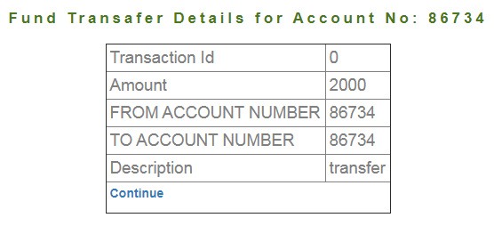 | Fail
CTC_MS_001 | Mini Statement othe user's Account No | Verify Customer can see only his account's Mini Statement | 1)Login to Guru99 Bank app as customer1 2) Click on Mini Statement tab 3)Enter Customer2 Account No 4) click Submit | Other customer's Account No - 86736 | A massage "You are not authorized to generate statement of this account" must be displayed. | Failed. Another user's transaction details can be generated by the user. |  | Fail
CTC_MS_002 | Mini Statement Wrong Account No | Verify Customer can not view wrong Account No Mini Statement | 1)Login to Guru99 Bank app as customer 2) Click on Mini Statement tab 3)Enter a non existing Account No 4) click Submit | A Non Existing Account No - 86737 | A massage "Account does not exist" must be displayed. | As Expected |  | Pass
CTC_CS_001 | Customized Statement | Verify Customer can see only his account's Customized Statement | 1)Login to Guru99 Bank app as customer1 2) Click on Customized Statement tab 3)Enter customer2 Account No 4)Choose date 5)Enter Min transaction Value 6)Enter Number of transaction 7) click Submit | Other customer's Account No - 86736 01/10/2020-21/10/2020 2000 5 | A massage "You are not authorized to generate statement of this account" must be displayed. |  Failed. Another user's transaction details can be generated by the user. |  | Fail
CTC_CS_002 | Customized Statement Wrong Account No | Verify Customer can not view wrong Account No Customized Statement | 1)Login to Guru99 Bank app as customer 2) Click on Mini Statement tab 3)Enter a non existing Account No 4) click Submit | A Non Existing Account No - 86737 | A massage "Account does not exist" must be displayed. | As Expected |  | Pass
CTC_CS_003 | Customized Statement From date is forward than to date | Verify Customer can not generate Customized Statement when from date is bigger than the to date. | 1)Login to Guru99 Bank app as customer 2) Click on Customized Statement tab 3)Enter customer's Account No 4)Choose impossible date 5)Enter Min transaction Value 6)Enter Number of transaction 7) click Submit | Other customer's Account No - 86736 31/10/2020-01/10/2020 2000 5 | A massage "From date field must be lower than to date field" must occur. | A massage "No Transition details found" occurs. |  | Fail

